Sheet1
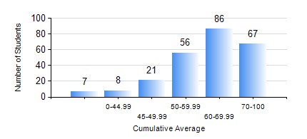
 |  |  | KWAME NKRUMAH UNIVERSITY OF SCIENCE AND TECHNOLOGY, KUMASI Department of Mechanical Engineering

 |  |  | BSC. MECHANICAL ENG.

 |  |  | COMPREHENSIVE RECORD OF EXAMINATION RESULTS

 |  |  | RESULTS OF YEAR 1 FIRST SEMESTER, 2023/2024 ACADEMIC YEAR

 | Sn | Course Code |  | Course Name | Credit Hours | Min. Mark | Max. Mark | Avg. Mark | Std. Dev. | No. Passed | No. Trailed | No. (Df) | No. (I) | No. (I*) | No. Tagged(I,I*,Df) | Total
 | 0. |  |  |  |  |  |  | 0 | 0 | 0 | 0 | 0 | 0 | 0 | 0 | 8
 | 1. | CE 155 |  | ENVIRONMENTAL STUDIES | 2 | 31 | 83 | 61 | 11.01 | 236 | 1 | 0 | 0 | 0 | 0 | 237
 | 2. | EE 151 |  | APPLIED ELECTRICITY | 3 | 11 | 84 | 56 | 11.46 | 233 | 4 | 0 | 0 | 0 | 0 | 237
 | 3. | ENGL 157 |  | COMMUNICATION SKILLS I | 2 | 34 | 90 | 65 | 11.37 | 234 | 3 | 0 | 0 | 0 | 0 | 237
 | 4. | MATH 151 |  | ALGEBRA | 4 | 40 | 97 | 72 | 13.07 | 237 | 0 | 0 | 0 | 0 | 0 | 237
 | 5. | ME 157 |  | INTRODUCTION TO INFORMATION TECHNOLOGY | 2 | 12 | 91 | 55 | 15.56 | 206 | 31 | 0 | 0 | 0 | 0 | 237
 | 6. | ME 159 |  | TECHNICAL DRAWING | 3 | 40 | 86 | 64 | 9.56 | 237 | 0 | 0 | 0 | 0 | 0 | 237
 | 7. | ME 195 |  | ENGINEERING TECHNOLOGY | 2 | 34 | 88 | 66 | 10.63 | 236 | 1 | 0 | 0 | 0 | 0 | 237

